Cust. Wirelist
Run # | From Location (Conn-Pin) | Wire AWG/Type/Spec | Signal Description | Wire Color | Wire Group | To Location (Conn-Pin) | Notes
1 | ex. "P1-A1" |  |  |  |  | ex. "J1-23"
2
3
4
5 |  |  |  |  |  |  |  | Connector | Backshell/Frame | Ref. Designator | Length (in) | Breakout (in) | VPC Cable Assembly Standards
6 |  |  |  |  |  |  |  | ex. "510161101" | ex. "410123101" | ex. "P1" | - | - | Length (in) | Tolerance (in)
7 |  |  |  |  |  |  |  |  |  |  |  |  | ≤ 12" | +1.00 / 0.00
8 |  |  |  |  |  |  |  |  |  |  |  |  | >12" - 60" | +2.00 / -1.00
9 |  |  |  |  |  |  |  |  |  |  |  |  | >60 - 120" | +4.00 / -1.00
10 |  |  |  |  |  |  |  |  |  |  |  |  | >120" - 300" | +6.00 / -1.00
11 |  |  |  |  |  |  |  |  |  |  |  |  | >300" | +5% / -1.00
12 |  |  |  |  |  |  |  |  |  |  |  |  | Wire | Mil-Spec
13 |  |  |  |  |  |  |  |  |  |  |  |  | Stranded | M16878
14 |  |  |  |  |  |  |  |  |  |  |  |  | Shielded | M27500
15 |  |  |  |  |  |  |  |  |  |  |  |  | Solder Sleeve | M83519
16 |  |  |  |  |  |  |  |  |  |  |  |  | Shrink Tube | M23053
17
18
Additional Label Requirements:
19
20 |  |  |  |  |  |  |  | Label | Conn. Ref. Designator |  |  |  |  | Reference Diagram
21
22
23
24
25
26
27
28
29
EMI/Testing Requirements:
30 |  |  |  |  |  |  |  | Other Requirements: | Yes/No
31 |  |  |  |  |  |  |  | Nylon Protective Sleeving?
32 |  |  |  |  |  |  |  | EMI Requirements?
33 |  |  |  |  |  |  |  | Allow Wire Substitutions?
34 |  |  |  |  |  |  |  | Electrical Testing?
35 |  |  |  |  |  |  |  | Keying?
36
Other Notes:
37
38
39
40
41
42
43
44
45
46
47
48
49
50
51
52
53
54
55 |  |  |  |  |  |  |  | Guidelines for WL Creation: |  |  |  |  | VPC Contacts
56 |  |  |  |  |  |  |  | 1) If additional columns are needed, right click inside the table and insert a column |  |  |  |  | Signal | AWG Range
57 |  |  |  |  |  |  |  | 2) Wirelist is formatted as a table, this means cells cannot be merged. To indicate shared positions use an ↑ |  |  |  |  | QuadraPaddle | 22-28
58 |  |  |  |  |  |  |  | 3) All pin locations that use an alphanumeric designation MUST have the alpha character first. Ie A1, not 1A. |  |  |  |  | TriPaddle | 14-28
59 |  |  |  |  |  |  |  | 4) Duplicate From/To Locations are highlighted for ease of recognition |  |  |  |  | Power | AWG Range
60 |  |  |  |  |  |  |  | 5) When using a multiconductor or twisted pair cable, use the "Wire Group" column to show related runs |  |  |  |  | Micro Power | 12-24
61 |  |  |  |  |  |  |  | 6) Shielded or Coax runs must use separate rows for each conductor and shield being split to multiple pins |  |  |  |  | Mini Power | 8-18
62 |  |  |  |  |  |  |  | 7) When wiring multiple connectors to a single VPC module, wire across module rows before down columns |  |  |  |  | High Power | 2
63 |  |  |  |  |  |  |  | Example Completed WL Template |  |  |  |  | Coax | Wire Type
64 |  |  |  |  |  |  |  |  |  |  |  |  | Micro Coax | RG178, RG179, RG316
65 |  |  |  |  |  |  |  |  |  |  |  |  | Mini Coax | RG178, RG316, 22 AWG
66 |  |  |  |  |  |  |  |  |  |  |  |  | Coax | RG58, RG178, RG316,
67 |  |  |  |  |  |  |  |  |  |  |  |  | 20/26 GHz Coax | SF142B, RG223, FLEX402
68 |  |  |  |  |  |  |  |  |  |  |  |  | 50GHz Micro | FLEX405
69 |  |  |  |  |  |  |  |  |  |  |  |  | Other | Wire Type
70 |  |  |  |  |  |  |  |  |  |  |  |  | MM Fiber | 62.5/125 Glass
71 |  |  |  |  |  |  |  |  |  |  |  |  | POF Fiber | POF
72 |  |  |  |  |  |  |  |  |  |  |  |  | Thermocouple | Type K 24 AWG
73 |  |  |  |  |  |  |  |  |  |  |  |  | Twinaxial | 20-24 AWG ST/P
74 |  |  |  |  |  |  |  |  |  |  |  |  | Mini Pneumatic | 3.2mm - 6mm Tube
75
76
77
78
79
80
81
82
83
84
85
86
87
88
89
90
91
92
93
94
95
96
97
98
99
100

Block Diagram
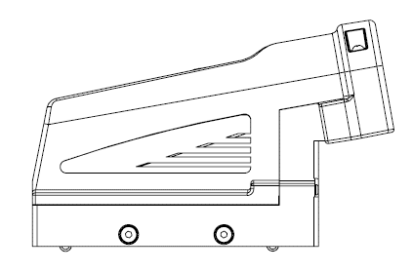
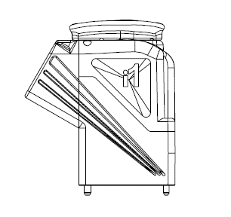
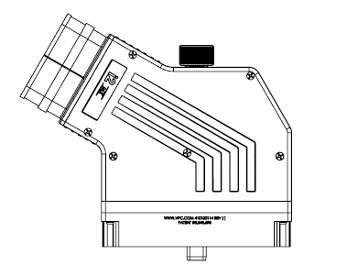
Use the space below to build a simple image
of your requested cable assembly

Basic images to get started
Feel free to copy/paste/rotate | G Series ITA/90S RCV | iCon ITA/RCV | i1 ITA/RCV | i2MX | Sleeving and Dimension lines
Add images/shapes to complete the build

*Note all VPC ITAs are measured from cable clamp exit
see "Example Wirelist" for sample block diagram

Example WL
Run # | From Location (Conn-Pin) | Wire AWG/Type/Spec | Signal Description | Wire Color | Wire Group | To Location (Conn-Pin) | Notes
1 | P1-A1 | 22 T/P | - | WHT | 1 | J1-1
2 | P1-B1 | ↑ | - | BLK | 1 | J1-2
3 | P1-C1 | 22 | - | WHT | - | J1-3
4 | P1-D1 | 22 | - | WHT | - | J1-4
5 | P1-E1 | 22 | - | WHT | - | J1-5 |  | Connector | Backshell/Frame | Ref. Designator | Length (in) | Breakout (in)
6 | P1-F1 | 22 | - | WHT | - | J1-6 |  | 510161101 | 410123101 | P1 | - | -
7 | P1-G1 | 22 | - | WHT | - | J1-7 |  | 510161106 | ↑ | P2 | - | -
8 | P1-H1 | 22 T/P | - | WHT | 2 | J1-8 |  | 37 Pin FML D-SUB | 5745174-3 | J1 | 36 | -
9 | P1-J1 | 22 | - | WHT | - | J1-9 |  | Red Banana Plug | - | P3,P5,P7 | 72 | 36
10 | P1-K1 | 22 | - | WHT | - | J1-10 |  | Black Banana Plug | - | P4,P6,P8 | 72 | 36
11 | P1-A2 | 22 | - | WHT | - | J1-11
12 | P1-B2 | 22 | - | WHT | - | J1-12
13 | P1-C2 | 22 | - | WHT | - | J1-13
14 | P1-D2 | 22 | - | WHT | - | J1-14
15 | P1-E2 | 22 | - | WHT | - | J1-15
16 | P1-F2 | 22 | - | WHT | - | J1-16
17 | P1-G2 | 22 | - | WHT | - | J1-17
18 | P1-H2 | 22 T/P | - | BLK | 2 | J1-18
Additional Label Requirements:
Serialize product label
Label twisted pair 6" behind each pair of banana plugs
19 | P1-J2 | 26 | - | WHT | - | J1-19
20 | P1-K2 | 26 | - | WHT | - | J1-20 |  | Label | Conn. Ref. Designator
21 | P1-A3 | 24 ST/P | - | BLU | 3 | J1-21 |  | Instrument 1234 | J1
22 | P1-B3 | ↑ | - | WHT | 3 | J1-22 |  | V1 | P3/P4
23 | P1-C3 | ↑ | - | SHLD | 3 | J1-23 |  | V2 | P5/P6
24 | P1-D3 | M16878/4-BFE-2 | - | RED | - | J1-24 |  | V3 | P7/P8
25 | P1-E3 | M16878/4-BFE-2 | - | RED | - | J1-25
26 | P1-F3 | M16878/4-BFE-2 | - | RED | - | J1-26
27 | P1-G3 | M16878/4-BFE-2 | - | RED | - | J1-27
28 | P1-H3 | M16878/4-BFE-2 | - | RED | - | J1-28
29 | P1-J3 | M16878/4-BFE-2 | - | RED | - | J1-29
EMI/Testing Requirements:
Point to Point Continuity
30 | P1-K3 | M16878/4-BFE-2 | - | RED | - | J1-30 |  | Other Requirements: | Yes/No
31 | P2-A1 | RG316 | CENTER CONDUCTOR | CC | 4 | J1-31 |  | Nylon Protective Sleeving? | Yes
32 | P2-A1 | ↑ | SHIELD | SHLD | 4 | J1-32 |  | EMI Requirements? | No
33 | P2-B1 | RG316 | CENTER CONDUCTOR | CC | 5 | J1-33 |  | Allow Wire Substitutions? | Yes
34 | P2-B1 | ↑ | SHIELD | SHLD | 5 | J1-34 |  | Electrical Testing? | Yes
35 | P2-C1 | RG316 | CENTER CONDUCTOR | CC | 6 | J1-35 |  | Keying? | Yes
36 | P2-C1 | ↑ | SHIELD | SHLD | 6 | J1-36
37 | P2-D1 | RG316 | CENTER CONDUCTOR | TAN | - | J1-37
38 | P2-A5 | 16 T/P | V1+ | RED | 7 | P3
39 | P2-A6 | 16 T/P | V1- | BLK | 7 | P4 |  | VPC Cable Assembly Standards |  |  | VPC Contacts
40 | P2-B5 | 16 T/P | V2+ | RED | 8 | P5 |  | Length (in) | Tolerance (in) |  | Signal | AWG Range
41 | P2-B6 | 16 T/P | V2- | BLK | 8 | P6 |  | ≤ 12" | +1.00 / 0.00 |  | QuadraPaddle | 22-28
42 | P2-C5 | 16 T/P | V3+ | RED | 9 | P7 |  | >12" - 60" | +2.00 / -1.00 |  | TriPaddle | 14-28
43 | P2-C6 | 16 T/P | V3- | BLK | 9 | P8 |  | >60 - 120" | +4.00 / -1.00 |  | Power | AWG Range
 |  |  |  |  |  |  |  | >120" - 300" | +6.00 / -1.00 |  | Micro Power | 12-24
 |  |  |  |  |  |  |  | >300" | +5% / -1.00 |  | Mini Power | 8-18
 |  |  | 72" |  |  |  |  | Wire | Mil-Spec |  | High Power | 2
 |  |  | 36" |  |  |  |  | Stranded | M16878 |  | Coax | Wire Type
 |  |  |  |  |  |  |  | Shielded | M27500 |  | Micro Coax | RG178, RG179, RG316
 |  |  |  |  |  |  |  | Solder Sleeve | M83519 |  | Mini Coax | RG178, RG316, 22 AWG
 |  |  |  |  |  | 37 Pin FML Dsub |  | Shrink Tube | M23053 |  | Coax | RG58, RG178, RG316,
 |  |  |  |  |  |  |  |  |  |  | 20/26 GHz Coax | SF142B, RG223, FLEX402
 |  |  |  |  |  |  |  |  |  |  | 50GHz Micro | FLEX405
 |  |  |  |  |  |  | Black Banana (x3) |  |  |  | Other | Wire Type
 |  |  |  |  |  |  | Red Banana (x3) |  |  |  | MM Fiber | 62.5/125 Glass
 |  |  |  |  |  |  |  |  |  |  | POF Fiber | POF
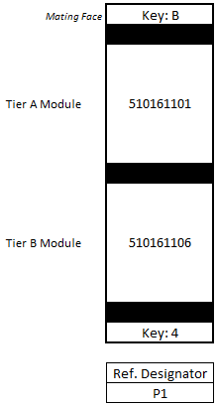
 |  |  |  |  |  | Label |  |  |  |  | Thermocouple | Type K 24 AWG
 |  |  |  |  |  |  |  |  |  |  | Twinaxial | 20-24 AWG ST/P
 |  |  |  |  |  |  |  |  |  |  | Mini Pneumatic | 3.2mm - 6mm Tube

